Sheet1
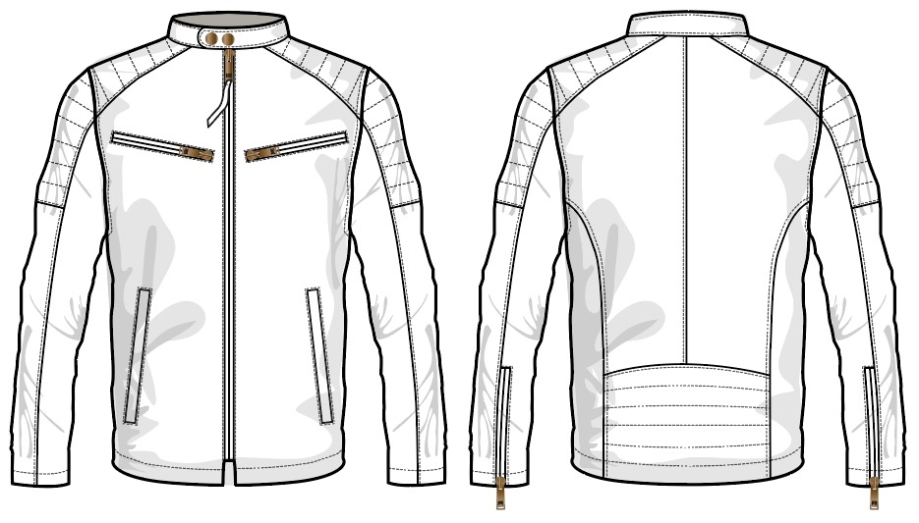

STYLE NO : FRCO 2423 112 --------------- MAN
Buyer Po: MODA PIEL
 |  |  | 2024-02-17
 | Order Qty : 1
Style Group | Material | Colour | UOM | Norms | Total Qty | Price | Per Pair Amount | AMOUNT | GST |  | AMOUNT WITH GST
SHEEP |  |  |  |  |  |  |  |  | RATE | AMOUNT
 | BABY LAMB NAPPA | BLACK | DCM | 351.00 | 351.00 | 8 | 2808 | 2808.00 | 5% | 140.40 | 2948.40
 | RES OLD CUERO | BROWN
 |  |  |  |  | 1.00 |  | 2808 | 2808.00 |  | 140.40 | 2948.40

 |  |  | No GST |  | Per Pair | 2808.00
 |  |  | With GST |  | Per Pair | 2948.40

LINING | SPANDEX POLYESTER | BLACK | MTR | 0.85 | 0.85 | 125 | 106.25 | 106.25 | 12% | 12.75 | 119.00
 | TAFETA 210T POLY | BLACK | MTR | 0.85 | 0.85 | 65 | 55.25 | 55.25 | 12% | 6.63 | 61.88
 | foum 10 mm | BROWN | MTR | 0.5 | 0.50 | 65 | 32.5 | 32.50 | 12% | 3.90 | 36.40

THREADS | TKT-30 | BLACK | BOX | 100 | 100.00 | 61 | 6.1 | 6.10 | 12% | 0.73 | 6.83
 | TKT-60 | BLACK | BOX | 100 | 100.00 | 257 | 5.14 | 5.14 | 12% | 0.62 | 5.76
 | TKT 50 | BLACK | BOX | 50 | 50.00 | 162 | 1.35 | 1.35 | 12% | 0.16 | 1.51

FUSING | FUSING | GREY | MTS | 1 | 1.00 | 14 | 14 | 14.00 | 18% | 2.52 | 16.52
 | SOLUTIONS | NA | LITTER | 0.15 | 0.15 | 88 | 13.2 | 13.20 | 18% | 2.38 | 15.58
 | PAKKA TAP 3 MM | WHITE | MTS | 3.75 | 3.75 | 0.6875 | 2.578125 | 2.58 | 18% | 0.46 | 3.04

ZIP | OPEN D/A #8 METAL ZIPPER WITH DARK BROWN TAPE AND ANTIQUE BRASS FRYE PULLER | BLACK | NOS | 1 | 1 | 156.36 | 156.36 | 156.36 | 12% | 18.76 | 175.12
 | CLOSED D/A #5 METAL ZIPPER WITH DARK BROWN TAPE AND ANTIQUE BRASS FRYE PULLER | BROWN | NOS | 4 | 4 | 57.93 | 231.72 | 231.72 | 12% | 27.81 | 259.53
 |  |  |  | .
BUTTONS | RIVETS ANTIQUE BRASS 14l | NA | NOS | 2 | 2 | 6.5 | 13 | 13.00 | 12% | 1.56 | 14.56
 | HIDDEN GENERIC ROUNDED SNAP 27L | NA | NOS | 7 | 7 | 10.19 | 71.33 | 71.33 | 12% | 8.56 | 79.89
 | LAZZER ENFRAVING FRYE LABEL | NA | NOS | 1 | 1 | 15 | 15 | 15.00 | 12% | 1.80 | 16.80

LABELS | MAIN LABEL | NA | NOS | 1 | 1.00 | 5 | 5 | 5.00 | 12% | 0.60 | 5.60
 | CARE LABEL | NA | NOS | 1 | 1.00 | 3.5 | 3.5 | 3.50 | 12% | 0.42 | 3.92
 | SIZE LABEL | NA | NOS | 1 | 1.00 | 4 | 4 | 4.00 | 12% | 0.48 | 4.48

PACKING MATERIALS | TAG | NA | NOS | 1 | 1.00 | 5 | 5 | 5.00 | 18% | 0.90 | 5.90
 | STICKER | NA | NOS | 1 | 1.00 | 1 | 1 | 1.00 | 18% | 0.18 | 1.18
 | POLY BAG | NA | KG | 1 | 1.00 | 12 | 12 | 12.00 | 18% | 2.16 | 14.16
 | BOX INNER PLY COVER | NA | KG | 0.2 | 0.20 | 115 | 15 | 15.00 | 18% | 2.70 | 17.70
 | TISSU PAPPER | NA | RIM | 2 | 2.00 | 1.35 | 2.7 | 2.70 | 18% | 0.49 | 3.19
 | BOXES | NA | NOS | 0.07 | 0.07 | 168 | 11.76 | 11.76 | 18% | 2.12 | 13.88
 | PACKING TAPE | BROWN | ROLL | 0.1 | 0.10 | 54 | 5.4 | 5.40 | 18% | 0.97 | 6.37
 |  |  |  |  |  |  | 789.14 | 789.14 |  | 99.65 | 888.79
General | TESTING CHARGES-BUYER 5%( import charges) |  | NOS | 0 | 1.00 | 0 | 0.00 | 0.00 | 18% | 0.00 | 0.00
 | OFFICE O.H 6.6% |  | NOS | 0 | 1.00 | 0 | 0.00 | 0.00 |  | 0.00 | 0.00
 | COMMISSION 10% |  | NOS | 0 | 1.00 | 0 | 0.00 | 0.00 |  | 0.00 | 0.00
. | DISCOUNT CHARGE 2.5% |  | NOS | 0 | 1.00 | 0 | 0.00 | 0.00 |  | 0.00 | 0.00
 | REJECTION 2% |  | NOS | 0 | 1.00 | 0 | 0.00 | 0.00 |  | 0.00 | 0.00
 | MAKING COST |  | NOS | 1000 | 1.00 | 1000 | 1000.00 | 1000.00 |  | 0.00 | 1000.00
C&F | FIRGHTCLEARING CHARGES |  | NOS | 50 | 1.00 | 50 | 50.00 | 50.00 |  | 0.00 | 50.00
 |  |  |  |  | 1.00 |  | 1839.14 | 1839.14 |  | 99.65 | 1938.79

 |  |  |  |  |  | With out GST
USD | 60.00 | LEATHER PER PAIR |  |  |  | 2808.00
78 | 4680 | MATERIALS PER PAIR |  |  |  | 1839.14
 |  | Total Cost |  |  |  | 4647.14

 |  |  |  |  |  | 59.57869391

 |  |  | Materials
 |  |  | NO GST | 1839.14 | Per Pair
 |  |  | With GST | 1938.79 | Per Pair

 |  |  | With GST |  | No GST
 | LEATHER PER GARMENTS |  | 2948.40 |  | 2808.00
 | MATERIALS PER GARMENTS |  | 1938.79 |  | 1839.14
 | Total Cost |  | 4887.19 |  | 4647.14

 |  |  | 62.656320353 |  | 59.57869391

